User Guide
 | Inventory Management Workbook User Guide

 | This workbook is designed to help you with basic inventory management tasks including recording stock value, physical inventory counts, sales, and purchase records. It also lets you prepare a purchase order form, generate low stock reports, and inventory movement within specific date ranges. Sample data is included. To use these templates yourself, click above on File>Make a Copy. This will let you copy this template to your Google Drive and you can edit or use any way you wish. Get Started: Step 1: Prefill the inventory list tab with your products' basic information Step 2: Create your supplier contact list Step 3: Update your purchase and sales records Step 4: Start your physical inventory count with the inventory count sheet included in this workbook |  |  | 
 | *Note that all shaded columns are automatically computed

Inventory List Tab |  | Links to helpful FSB articles
 | Enter product details including supplier name, product size and color | How to Price a Product – The Ultimate Product Pricing Strategy Guide for Small Businesses
 | Add your product code or SKU. | SKU Numbers: What They Are & How to Set Them Up
 | Assign a reorder point, cost price and markup | Gross Margin & Markup Calculator: How to Price Retail Items
 | Record physical inventory on display and in your stock room to arrive at your initial stock level. | How to Do Bar & Liquor Inventory in 4 Steps
 | Go to this tab

Supplier Contact List
 | Enter your supplier name and contact details
 | Go to this tab

Purchase Record Tab
 | Enter your purchase order number | Free Purchase Order Template & Instructions: How to Create a Purchase Order
 | Choose your product name from the drop down list
 | Indicate the quantity received in cases and singles
 | Add the date of your purchase order and record the arrival date *only* when the stock arrives
 | Use the floating tab to filter purchase records based on your chosen date range
 | Go to this tab

Sales Record Tab
 | Enter your sales order number | What Is Order Fulfillment? Processes & Strategies
 | Choose the product name from the dropdown list and indicate the quantity of items sold | Order Fulfillment Costs: Fulfillment Services & 3PL Costs Explained
 | Indicate your customer's name and the date of sale | FIFO vs LIFO: Differences & Which Is Right for Your Business?
 | Add the ship date *only* when the items have already been sent out for delivery | Ecommerce Shipping & Handling in 6 Steps + Free Checklist
 | Use the floating tab to filter sales records based on your chosen date range
 | Go to this tab

Low Stock Report Tab
 | All the data in this tab is autogenerated
 | Click on the funnel icon in F3 (Stock Level Status) to filter only products with "Reorder" status
 | Click on the funnel icon in A3 (Supplier Name) to sort the list alphabetically
 | Refresh the list by repeating steps 2 and 3 before running a report
 | Go to this tab

Purchase Order Template
 | Choose your supplier's name from the drop down list and the contact information will be automatically populated based on your list of suppliers
 | Choose the product to be ordered from the drop down list, add your supplier's item reference number and the cost price will be automatically populated based on your inventory list
 | Note that all the products you sell will be shown in the dropdown to allow you to order these items from a different supplier in case of a better unit cost
 | Specify any agreed upon wholesale discounts (usually in %), or total special discounts on one or more items (usually in $)
 | Go to this tab

Shrinkage and Turnover Calculator Tab
 | Use this tab to calculate for inventory shrinkage rate and inventory turnover ratio | Inventory Shrinkage: Definition, Causes & How to Prevent It
 | Shrinkage calculator: Key in the value of your inventory in books and the calculator will pick up | Inventory Aging Report and How to Calculate: The Ultimate Guide
 | the value of your physical inventory based on the physical count from your inventory list tab. | What is Cost of Goods Sold (COGS) & How To Calculate It
 | Turnover calculator: You will need to key in all the figures from your accounting records
 | Go to this tab

Generate and Print Barcodes
 | Go to the Inventory List tab
 | Barcodes are automatically generated everytime a new product is added to the Inventory List tab
 | Barcodes are displayed in the Inventory Count Sheet w/ Barcodes tab
 | Go to the Print Barcodes tab
 | Use the standard 8.5x11 label sticker paper
 | File>Print
 | Check the settings: Paper: 8.5x11, Orientation: Portrait, Scale: Normal (100%),
 | Margins: Custom Numbers, Paper Margins: 0.5" (top&bottom), 0.16" (left&right)
 | Ready to print
 | Go to the Barcode Printer tab

Inventory Count Sheet
 | Your existing inventory list with the product code is automatically populated in the count sheet |  | What is an SKU?
 | Option 1: Manual Count Sheet |  | SKU vs UPC
 | Print out copies of the countsheet
 | Add new products by hand in the list (if any)
 | Assign employees by area/ location /product type, etc.
 | Option 2: Barcode Count Sheet - You Will Need to use a Gsheets version of the workbook
 | Choose a barcode reader app - sign up using a Gmail account: We recommend Scan to Sheets App for best results
 | Scan to Sheets App for iOS
 | Scan to Sheets App for Android
 | Link your spreadsheet with the barcode app - use the same Gmail account
 | In the settings choose your spreadsheet/workbook name under target spreadsheet.
 | To count products in-store: Go to the app settings and choose Count STR under Worksheet then begin scanning barcodes
 | To count products the stock room: Go to the app settings and choose Count SR under Worksheet then begin scanning barcodes
 | Print out a countsheet report
 | Clear the store (CountSTR tab) and stock room (CountSR tab) counters
 | Go to the Manual Count Sheet tab
 | Go to the Barcode Count Sheet tab

 | 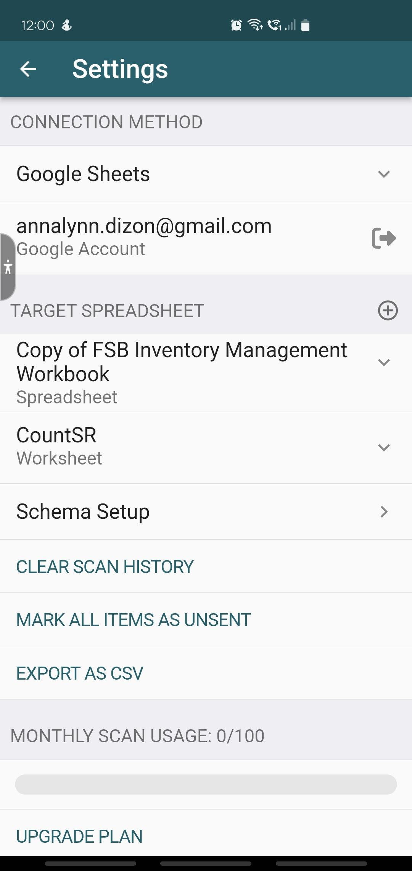

CountSTR
RESET
In-store Products check-in

CountSR
RESET
 | Stock Room products check-in
2024-06-12 | 1001-Q1 | 1
2024-06-12 | 1001-Q1 | 1
2024-06-12 | 1001-Q1 | 1
2024-06-12 | 1001-Q1 | 1
2024-06-12 | 1001-Q1 | 1
2024-06-12 | 1001-Q1 | 1
2024-06-12 | 1001-Q1 | 1

